Sheet2
Bug Report
Bug ID | TC_ID | Bug Description | Steps to Reproduce | Test Data | Expected Result | Actual Result | Severity | Status | Screenshot
BUG_001 | TC_005 | Login fails for dynamic email | Click Login → Enter random email → Submit | Email: thippi[random]@mail.com, Password: Thippi@123 | Login success | Login unsuccessful | High | Open | 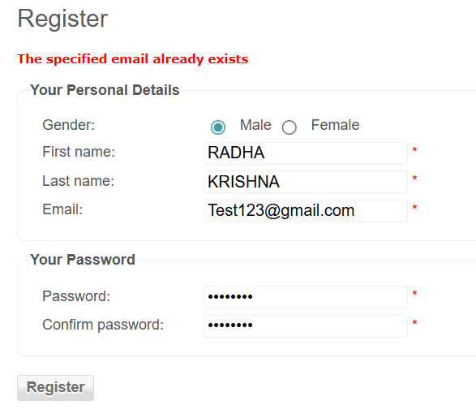
BUG_002 | TC_031 | Checkout allowed if payment skipped | Checkout → Skip payment → Confirm | N/A | Cannot proceed | Checkout proceeds incorrectly | Critical | Open | 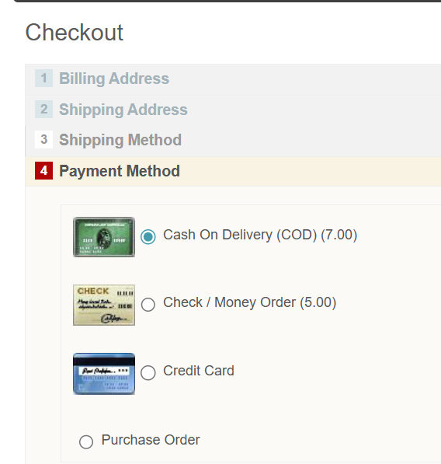
BUG_003 | TC_020 | Negative quantity accepted in cart | Go to Cart → Enter qty: -1 → Update | Qty: -1 | Validation error | Negative quantity accepted | High | Open
BUG_004 | TC_049 | Empty subcategory shows incorrect page | Click empty subcategory | N/A | "No products found" | Blank page / layout broken | Medium | Open
BUG_005 | TC_051 | Missing product image placeholder | Open product page | N/A | Placeholder shown | No placeholder, broken layout | Medium | Open
BUG_006 | TC_071 | Invalid filter shows unexpected results | Apply invalid filter | Invalid color/size | "No products found" | Error page / blank content | Medium | Open | 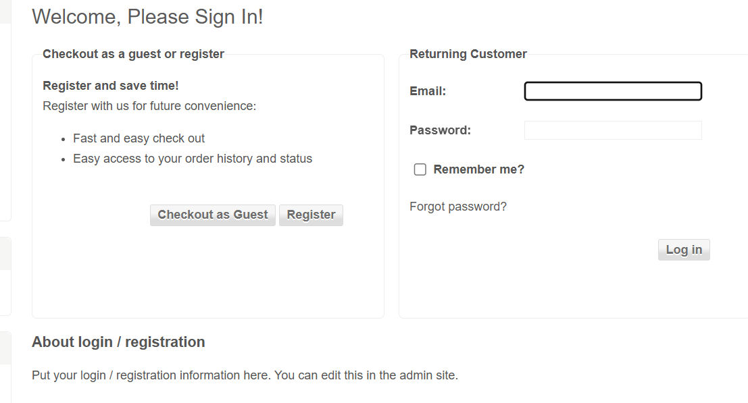
BUG_008 | TC_075 | Guest checkout allowed when restricted | Guest user → Checkout | N/A | Redirect to login | Checkout proceeds without login | Critical | Open
BUG_009 | TC_079 | Skipping shipping still allows checkout | Checkout → Skip shipping → Continue | N/A | Cannot proceed | Checkout proceeds without shipping info | Critical | Open

